CostItems
 |  |  | Capital Costs |  |  | Annual O&M
Element |  | Starting Year | 2021$ | 2020$ | Economic Life | 2021$ | 2020$
Site Clearance, Demolition & Remediation (Part of Sitework)
Design & Permitting |  | 2022 | $2,700,000 | $2,579,160 | - | $- | $-
Construction |  | 2023 | $13,500,000 | $12,895,802 | 100 | $- | $-
Inspection & Adminstration |  | 2023 | $1,700,000 | $1,623,916 | - | $- | $-
Realignment of Avion & Jurupa Streets.
Planning, Design, Costing, Testing, Permitting |  | 2022 | $2,921,405 | $2,790,656 | - | $- | $-
Program Management & Other Miscellaneous |  | 2023-2024 | $1,421,750 | $1,358,119 | - | $- | $-
 | Subtotal |  | $4,343,155 | $4,148,775
Construction
 | General Construction (QC, Erosion/Siltation Control, Mobiliization…) | 2024 | $2,204,300 | $2,105,646 | - | $-
 | Sitework (Demolition, Clearing/Grubbing, Waste & Disposal,…) | 2024 | $1,493,324 | $1,426,490 | 100 | $- | $-
 | Road Paving & Structures | 2024 | $4,223,747 | $4,034,711 | 30 | Not fixed per year | Not fixed per year | Not fixed O&M. Calculate Change based upon bad road in base line, and no replacement. Build assumes new road with proper maintence and R&R at 15 years.
 | Bridge Rehabilitation | 2024 | $2,460,000 | $2,349,902 | 75 | $2,000 | $1,910 | Surface part of Road maintenace. Bridge structural, channel cleaning etc. inlcuded here
 | Pavement marking & signage | 2024 | $21,801 | $20,825 | 5 | In replacement | In replacement | Assume replacement at end of life
 | Median Island & Pedestrian Crossing (s) | 2024 | $25,705 | $24,555 | 20 | In Road Paving | In Road Paving | In Road maintenance and operations
 | Fencing (1579 ft) | 2024 | $102,635 | $98,042 | 20 | NA | $51,725 | from Michigan example in ESTIMATING COST PER LANE MILE FOR ROUTINE HIGHWAY OPERATIONS AND MAINTENANCE January 2011 converted to 2020$ and California costs. $23/ft in 2006$
 | Traffic Signals & Lighting |  |  |  |  |  | $-
 | Signal | 2024 | $501,000 | $478,578 | 30 |  | $2,531 | Previous Grant Application from "Springfield Oregon Franklin Blvd (2019$)
 | Vehicle Detection | 2024 | $110,000 | $105,077 | 10 | In Traffic Control | In Traffic Control
 | Traffic Control and Miscellaneous | 2024 | $167,850 | $160,338 | 10 | $2,000 | $1,910 | Combination of costs from US DOT ITS Cost Database (surveillance + systems)
 | Lighting | 2024 | $229,050 | $218,799 | 20 | in Road Maint | in Road Maint
 | Drainage & Utilities
 | Stormwater | 2024 | $1,177,915 | $1,125,197 | 100 | $4,000 | $3,821 | For inspection, cleaning, minor repair
 | Main Water Lines | 2024 | $1,966,725 | $1,878,703 | 100 | $2,000 | $1,910 | For inspection minor repair
 | Sewer | 2024 | $435,275 | $415,794 | 100 | $3,000 | $2,866 | For inspection, cleaning, minor repair
 | Natural Gas | 2024 | $199,850 | $190,906 | 50 | $1,000 | $955 | for inspection
 | Miscellaneous utilities (com mostly) | 2024 | $261,650 | $249,940 | 20 | $3,000 | $2,866 | From averages of the topsbc workbook
 | Subtotal |  | $15,580,827 | $14,883,501

 | Design Evolution (25%) | 2024 | $3,895,206 | $3,720,874 | - |  | $-
 | Subtotal |  | $19,476,033 | $18,604,375

 | Total |  | $23,819,188 | $22,753,151
NOT USED FOR GRANT BCA Cargo Center Terminal & Facilities

 | Construction Source: Realignment of Avion St. and Jurupa St.: 30% Design Estimate and Construction Schedule Report (Connico Inc.,April 30, 2021)
 | * 2021 to 2020 Factor = 0.9522)

 | Pavement Markings

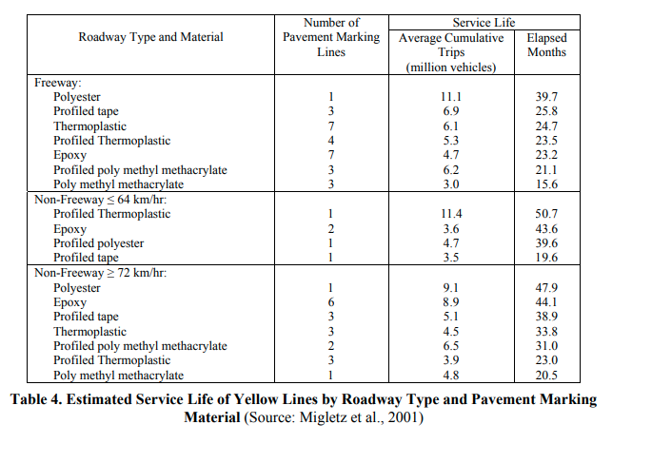

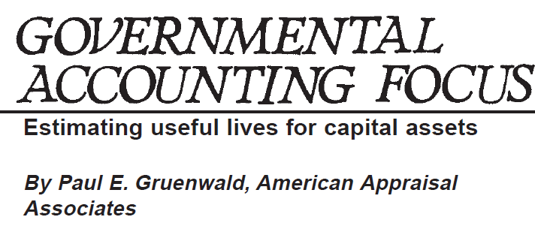

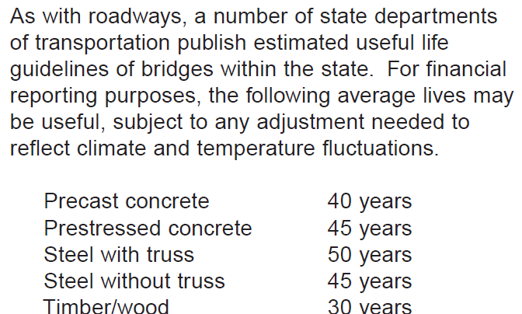

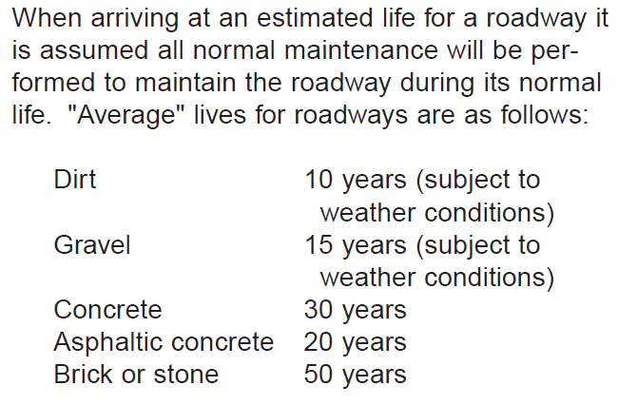

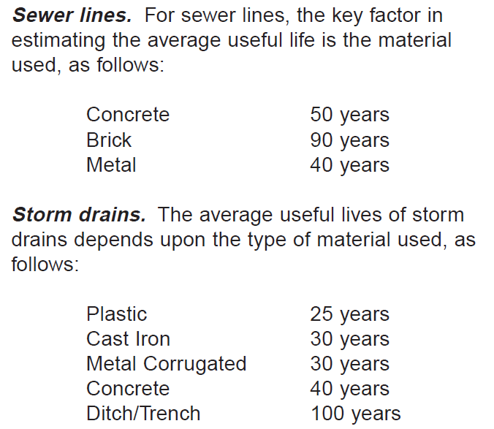

 | How long does sewer pipes last?
 | The life of your sewer line depends on your pipe's material. Cast iron pipes last between 75–100 years, clay and cement pipes can last up to 100 years, orangeburg pipes last around 50 years, and PVC pipes can last over 100 years.
 | Life expectancy of water distribution lines
 | ​Cast iron pipes – Used during the late 19th and early 20th centuries
 | ​Iron pipes – Introduced in the 1920s and thinner than cast iron pipes
 | ​Ductile iron pipes - In use beginning in the 1950s
 | ​Polyvinyl Chloride (PVC) - Popular in the 1970s |  | ​120 years
 | ​High-density Polyethylene – Popular since 1990s |  | ​100 years
 |  |  | ​100 years
 | A water treatment plant has a life span between 25 and 50 years - U.S. Environmental Protection Agency |  | ​70 years
 |  |  | ​70 years

 | State of Good repair O&M roadway from Ky 54 Corridor Improvements (2019$)

CPI Factor Calculations
Consumer Price Index - All Urban Consumers
Original Data Value
 |  |  |  |  |  | Source
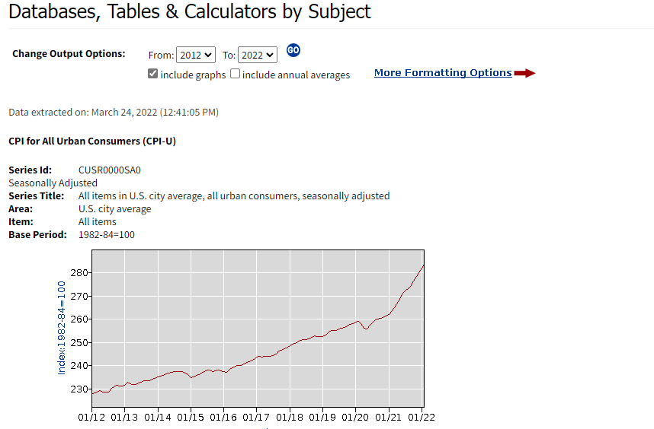
Series Id: | CUSR0000SA0 |  |  |  |  | http://data.bls.gov/timeseries/CUSR0000SA0
Seasonally Adjusted |  |  |  |  |  | Accessed: April 12, 2016
Area: | U.S. city average
Item: | All items
Base Period: | 1982-84=100
Years: | 2012 - 2022

Year | Jan | Feb | Mar | Apr | May | Jun | Jul | Aug | Sep | Oct | Nov | Dec | Annual | HALF1 | HALF2
2012 | 227.842 | 228.329 | 228.807 | 229.187 | 228.713 | 228.524 | 228.590 | 229.918 | 231.015 | 231.638 | 231.249 | 231.221 | 229.6
2013 | 231.679 | 232.937 | 232.282 | 231.797 | 231.893 | 232.445 | 232.900 | 233.456 | 233.544 | 233.669 | 234.100 | 234.719 | 233.0
2014 | 235.288 | 235.547 | 236.028 | 236.468 | 236.918 | 237.231 | 237.498 | 237.460 | 237.477 | 237.430 | 236.983 | 236.252 | 236.7
2015 | 234.747 | 235.342 | 235.976 | 236.222 | 237.001 | 237.657 | 238.034 | 238.033 | 237.498 | 237.733 | 238.017 | 237.761 | 237.0
2016 | 237.652 | 237.336 | 238.080 | 238.992 | 239.557 | 240.222 | 240.101 | 240.545 | 241.176 | 241.741 | 242.026 | 242.637 | 240.0
2017 | 243.618 | 244.006 | 243.892 | 244.193 | 244.004 | 244.163 | 244.243 | 245.183 | 246.435 | 246.626 | 247.284 | 247.805 | 245.1
2018 | 248.743 | 249.439 | 249.581 | 250.146 | 250.779 | 251.118 | 251.323 | 251.749 | 252.239 | 252.862 | 252.657 | 252.551 | 251.1
2019 | 252.470 | 253.135 | 254.273 | 255.163 | 255.325 | 255.361 | 255.900 | 256.179 | 256.596 | 257.305 | 257.788 | 258.263 | 255.6
2020 | 258.682 | 259.007 | 258.165 | 256.094 | 255.944 | 257.217 | 258.543 | 259.580 | 260.190 | 260.352 | 260.721 | 261.564 | 258.8
2021 | 262.200 | 263.346 | 265.028 | 266.727 | 268.599 | 270.955 | 272.184 | 273.092 | 274.214 | 276.590 | 278.524 | 280.126 | 271.0
2022 | 281.933 | 284.182 |  |  |  |  |  |  |  |  |  |  | 283.1

 |  |  | CPI |  |  | from BLS website
Conversion Factor | to Year | 2020 | 258.8 | 2020 | 258.8 | 2020 | 2020 | 258.8
 | From Year | 2021 | 270.96541667 | 2019 | 255.6465 | 2006 | 2015 | 237.00175
 | Factor |  | 0.9552445961 |  | 1.0124850135 | 1.3 |  | 1.0921364505

2021 Annual Average Cost of Living
Previous ColumnNext Column
Rank | State | Index | Grocery | Housing | Utilities | Transportation | Health | Misc.
14 | Michigan | 91.3 | 90.1 | 80.7 | 99.7 | 103.2 | 96.3 | 96.3
17 | Kentucky | 93.1 | 92.1 | 79.9 | 104.7 | 103 | 81.6 | 102.6
48 | California | 142.2 | 113.7 | 201.9 | 124.3 | 131.7 | 110.7 | 110.3
44 | Maryland | 124 | 110.4 | 165.9 | 105.1 | 107.6 | 82.8 | 105.2

Ratio | ca to ky | 1.5273899033 | 1.2345276873 | 2.5269086358 | 1.1872015282 | 1.2786407767 | 1.3566176471 | 1.0750487329
 | ca to mi | 1.5575027382 | 1.2619311876 | 2.5018587361 | 1.2467402207 | 1.2761627907 | 1.1495327103 | 1.1453790239
 | Ca to Md | 1.1467741935 | 1.0298913043 | 1.2169981917 | 1.1826831589 | 1.2239776952 | 1.3369565217 | 1.0484790875

